Excel_Model_Answers
Row Labels | Count_of_Patient_ID |  | ICD10 Diagnosis Description | Count of Patients
Acute renal failure, unspecified | 13 |  | Acute renal failure, unspecified | 13
Asthma, unspecified | 21 |  | Asthma, unspecified | 21
Disorder of visual pathways, unspecified | 14 |  | Disorder of visual pathways, unspecified | 14
Fracture of mandible | 19 |  | Fracture of mandible | 19
Haemoptysis | 17 |  | Haemoptysis | 17
Persistent somatoform pain disorder | 21 |  | Persistent somatoform pain disorder | 21
Simple chronic bronchitis | 18 |  | Simple chronic bronchitis | 18
Grand Total | 123 |  | Grand Total | 123

ICD10 Diagnosis Description (split by sex) | Count of Patients |  | ICD10 Diagnosis Description (split by ethnicity) | Count of Patients
F | 60 |  | Asian/Asian British | 31
Acute renal failure, unspecified | 4 |  | Acute renal failure, unspecified | 3
Asthma, unspecified | 9 |  | Asthma, unspecified | 9
Disorder of visual pathways, unspecified | 7 |  | Disorder of visual pathways, unspecified | 3
Fracture of mandible | 13 |  | Fracture of mandible | 3
Haemoptysis | 9 |  | Haemoptysis | 2
Persistent somatoform pain disorder | 10 |  | Persistent somatoform pain disorder | 8
Simple chronic bronchitis | 8 |  | Simple chronic bronchitis | 3
M | 63 |  | Black/African/Caribbean/Black British | 37
Acute renal failure, unspecified | 9 |  | Acute renal failure, unspecified | 4
Asthma, unspecified | 12 |  | Asthma, unspecified | 5
Disorder of visual pathways, unspecified | 7 |  | Disorder of visual pathways, unspecified | 7
Fracture of mandible | 6 |  | Fracture of mandible | 5
Haemoptysis | 8 |  | Haemoptysis | 5
Persistent somatoform pain disorder | 11 |  | Persistent somatoform pain disorder | 5
Simple chronic bronchitis | 10 |  | Simple chronic bronchitis | 6
Grand Total | 123 |  | Mixed/Multiple ethnic group | 17
 |  |  | Acute renal failure, unspecified | 2
 |  |  | Disorder of visual pathways, unspecified | 4
 |  |  | Fracture of mandible | 4
 |  |  | Haemoptysis | 1
 |  |  | Persistent somatoform pain disorder | 3
 |  |  | Simple chronic bronchitis | 3
 |  |  | White | 38
 |  |  | Acute renal failure, unspecified | 4
 |  |  | Asthma, unspecified | 7
 |  |  | Fracture of mandible | 7
 |  |  | Haemoptysis | 9
 |  |  | Persistent somatoform pain disorder | 5
 |  |  | Simple chronic bronchitis | 6
 |  |  | Grand Total | 123

ED Location (split by ward transferred to) | Count of Patients
Head_and_Neck_2 | 21
NUH | 12
SFH | 9
Opthamology_3 | 14
NUH | 7
SFH | 7
Renal_1 | 13
NUH | 11
SFH | 2
Respiratory_1 | 4
NUH | 1
SFH | 3
SDEC | 52
NUH | 39
SFH | 13
Trauma_and_Ortho_2 | 19
NUH | 12
SFH | 7
Grand Total | 123

Count of Patients at Each ED Location
ED Location | Count of Patients
NUH | 82
SFH | 41
Grand Total | 123

Patients Admitted to Ward (1) or SDEC (0)
Admitted to Ward (1 = Admitted to Ward, 0 = Admitted to SDEC) | Count of Patients
0 | 52
1 | 71
Grand Total | 123

Count of Patients per Primary Spoken Language
Spoken Language of Patient | Count of Patients
English | 114
French | 3
Hindi | 1
Mandarin | 1
Spanish | 3
Urdu | 1
Grand Total | 123

Patients Admitted to Ward (1) or SDEC (0) (split by sex)
Count of Patients | Column Labels
Admitted to Ward (1 = Admitted to Ward, 0 = Admitted to SDEC) | F | M | Grand Total
0 | 24 | 28 | 52
1 | 36 | 35 | 71
Grand Total | 60 | 63 | 123

Patients Admitted to Ward (1) or SDEC (0) (split by ethnicity)
Count of Patients | Column Labels
Admitted to Ward (1 = Admitted to Ward, 0 = Admitted to SDEC) | Asian/Asian British | Black/African/Caribbean/Black British | Mixed/Multiple ethnic group | White | Grand Total
0 | 14 | 15 | 4 | 19 | 52
1 | 17 | 22 | 13 | 19 | 71
Grand Total | 31 | 37 | 17 | 38 | 123

Pie Chart Showing % Proportion of Inpatients by Sex
ICD10 Diagnosis Description | Count of Patients
F | 48.78%
M | 51.22%
Grand Total | 100.00%

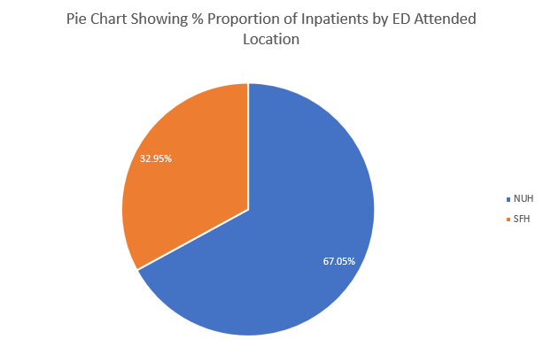
Ethnicity | Count of Patients
NUH | 66.67%
SFH | 33.33%
Grand Total | 100.00%

Distribution of EMAS Ambulance Handover Times in 2023/24 FY
 | Frequency
1 | 1960
2.154907975 | 1146
3.309815951 | 1250
4.464723926 | 1718
5.619631902 | 2763
6.774539877 | 4016
7.929447853 | 5921
9.084355828 | 19223
10.2392638 | 13524
11.39417178 | 15315
12.54907975 | 16680
13.70398773 | 18103
14.85889571 | 18592
16.01380368 | 33666
17.16871166 | 16232
18.32361963 | 15548
19.47852761 | 14871
20.63343558 | 14002
21.78834356 | 12933
22.94325153 | 12115
24.09815951 | 21128
25.25306748 | 9428
26.40797546 | 8661
27.56288344 | 8142
28.71779141 | 7304
29.87269939 | 6866
31.02760736 | 11985
32.18251534 | 5296
33.33742331 | 4694
34.49233129 | 4524
35.64723926 | 4044
36.80214724 | 3769
37.95705521 | 3576
39.11196319 | 6267
40.26687117 | 2787
41.42177914 | 2687
42.57668712 | 2376
43.73159509 | 2312
44.88650307 | 2204
46.04141104 | 4028
47.19631902 | 1789
48.35122699 | 1721
49.50613497 | 1662
50.66104294 | 1614
51.81595092 | 1518
52.9708589 | 1361
54.12576687 | 2706
55.28067485 | 1258
56.43558282 | 1192
57.5904908 | 1206
...
Bin | Frequency
1 | 1960
2.1549079755 | 1146
3.3098159509 | 1250
4.4647239264 | 1718
5.6196319018 | 2763
6.7745398773 | 4016
7.9294478528 | 5921
9.0843558282 | 19223
10.239263804 | 13524
11.394171779 | 15315
12.549079755 | 16680
13.70398773 | 18103
14.858895706 | 18592
16.013803681 | 33666
17.168711656 | 16232
18.323619632 | 15548
19.478527607 | 14871
20.633435583 | 14002
21.788343558 | 12933
22.943251534 | 12115
24.098159509 | 21128
25.253067485 | 9428
26.40797546 | 8661
27.562883436 | 8142
28.717791411 | 7304
29.872699387 | 6866
31.027607362 | 11985
32.182515337 | 5296
33.337423313 | 4694
34.492331288 | 4524
35.647239264 | 4044
36.802147239 | 3769
37.957055215 | 3576
39.11196319 | 6267
40.266871166 | 2787
41.421779141 | 2687
42.576687117 | 2376
43.731595092 | 2312
44.886503067 | 2204
46.041411043 | 4028
47.196319018 | 1789
48.351226994 | 1721
49.506134969 | 1662
50.661042945 | 1614
51.81595092 | 1518
52.970858896 | 1361
54.125766871 | 2706
55.280674847 | 1258
56.435582822 | 1192
57.590490798 | 1206
58.745398773 | 1188
59.900306748 | 1076
61.055214724 | 1839
62.210122699 | 848
63.365030675 | 755
64.51993865 | 788
65.674846626 | 727
66.829754601 | 664
67.984662577 | 662
69.139570552 | 1328
70.294478528 | 615
71.449386503 | 596
72.604294479 | 660
73.759202454 | 606
74.914110429 | 562
76.069018405 | 1098
77.22392638 | 528
78.378834356 | 457
79.533742331 | 505
80.688650307 | 506
81.843558282 | 482
82.998466258 | 481
84.153374233 | 837
85.308282209 | 472
86.463190184 | 409
87.61809816 | 414
88.773006135 | 408
89.92791411 | 416
91.082822086 | 827
92.237730061 | 382
93.392638037 | 370
94.547546012 | 369
95.702453988 | 359
96.857361963 | 366
98.012269939 | 713
99.167177914 | 342
100.32208589 | 331
101.47699387 | 311
102.63190184 | 324
103.78680982 | 304
104.94171779 | 312
106.09662577 | 574
107.25153374 | 259
108.40644172 | 287
109.56134969 | 310
110.71625767 | 289
111.87116564 | 256
113.02607362 | 582
114.1809816 | 268
115.33588957 | 273
116.49079755 | 235
117.64570552 | 249
118.8006135 | 248
119.95552147 | 224
121.11042945 | 508
122.26533742 | 221
123.4202454 | 232
124.57515337 | 245
125.73006135 | 210
126.88496933 | 174
128.0398773 | 391
129.19478528 | 205
130.34969325 | 172
131.50460123 | 186
132.6595092 | 228
133.81441718 | 221
134.96932515 | 184
136.12423313 | 372
137.2791411 | 195
138.43404908 | 192
139.58895706 | 204
140.74386503 | 180
141.89877301 | 168
143.05368098 | 333
144.20858896 | 173
145.36349693 | 163
146.51840491 | 157
147.67331288 | 169
148.82822086 | 183
149.98312883 | 172
151.13803681 | 314
152.29294479 | 127
153.44785276 | 170
154.60276074 | 131
155.75766871 | 140
156.91257669 | 136
158.06748466 | 309
159.22239264 | 127
160.37730061 | 118
161.53220859 | 121
162.68711656 | 111
163.84202454 | 126
164.99693252 | 129
166.15184049 | 265
167.30674847 | 128
168.46165644 | 143
169.61656442 | 126
170.77147239 | 110
171.92638037 | 105
173.08128834 | 233
174.23619632 | 101
175.39110429 | 105
176.54601227 | 103
177.70092025 | 96
178.85582822 | 105
180.0107362 | 224
181.16564417 | 111
182.32055215 | 106
183.47546012 | 91
184.6303681 | 110
185.78527607 | 86
186.94018405 | 94
188.09509202 | 191
189.25 | 87
190.40490798 | 88
191.55981595 | 81
192.71472393 | 91
193.8696319 | 88
195.02453988 | 191
196.17944785 | 84
197.33435583 | 82
198.4892638 | 80
199.64417178 | 89
200.79907975 | 100
201.95398773 | 92
203.10889571 | 155
204.26380368 | 69
205.41871166 | 69
206.57361963 | 64
207.72852761 | 88
208.88343558 | 91
210.03834356 | 140
211.19325153 | 79
212.34815951 | 61
213.50306748 | 76
214.65797546 | 63
215.81288344 | 74
216.96779141 | 74
218.12269939 | 125
219.27760736 | 59
220.43251534 | 60
221.58742331 | 75
222.74233129 | 60
223.89723926 | 57
225.05214724 | 123
226.20705521 | 52
227.36196319 | 49
228.51687117 | 63
229.67177914 | 48
230.82668712 | 50
231.98159509 | 50
233.13650307 | 110
234.29141104 | 54
235.44631902 | 51
236.60122699 | 69
237.75613497 | 49
238.91104294 | 54
240.06595092 | 89
241.2208589 | 44
242.37576687 | 53
243.53067485 | 44
244.68558282 | 62
245.8404908 | 53
246.99539877 | 47
248.15030675 | 87
249.30521472 | 56
250.4601227 | 46
251.61503067 | 53
252.76993865 | 41
253.92484663 | 38
255.0797546 | 84
256.23466258 | 51
257.38957055 | 29
258.54447853 | 36
259.6993865 | 31
260.85429448 | 46
262.00920245 | 80
263.16411043 | 45
264.3190184 | 32
265.47392638 | 42
266.62883436 | 32
267.78374233 | 47
268.93865031 | 41
270.09355828 | 65
271.24846626 | 36
272.40337423 | 32
273.55828221 | 37
274.71319018 | 35
275.86809816 | 34
277.02300613 | 69
278.17791411 | 30
279.33282209 | 40
280.48773006 | 36
281.64263804 | 37
282.79754601 | 26
283.95245399 | 29
285.10736196 | 65
286.26226994 | 28
287.41717791 | 20
288.57208589 | 28
289.72699387 | 27
290.88190184 | 34
292.03680982 | 48
293.19171779 | 28
294.34662577 | 30
295.50153374 | 22
296.65644172 | 33
297.81134969 | 33
298.96625767 | 33
300.12116564 | 71
301.27607362 | 28
302.4309816 | 19
303.58588957 | 22
304.74079755 | 16
305.89570552 | 22
307.0506135 | 54
308.20552147 | 19
309.36042945 | 28
310.51533742 | 19
311.6702454 | 17
312.82515337 | 22
313.98006135 | 25
315.13496933 | 42
316.2898773 | 21
317.44478528 | 26
318.59969325 | 30
319.75460123 | 15
320.9095092 | 26
322.06441718 | 40
323.21932515 | 16
324.37423313 | 14
325.5291411 | 19
326.68404908 | 22
327.83895706 | 19
328.99386503 | 25
330.14877301 | 41
331.30368098 | 14
332.45858896 | 16
333.61349693 | 15
334.76840491 | 16
335.92331288 | 19
337.07822086 | 31
338.23312883 | 17
339.38803681 | 19
340.54294479 | 9
341.69785276 | 15
342.85276074 | 15
344.00766871 | 36
345.16257669 | 12
346.31748466 | 13
347.47239264 | 13
348.62730061 | 10
349.78220859 | 12
350.93711656 | 13
352.09202454 | 33
353.24693252 | 14
354.40184049 | 16
355.55674847 | 14
356.71165644 | 12
357.86656442 | 15
359.02147239 | 27
360.17638037 | 15
361.33128834 | 12
362.48619632 | 12
363.64110429 | 11
364.79601227 | 11
365.95092025 | 13
367.10582822 | 21
368.2607362 | 10
369.41564417 | 12
370.57055215 | 10
371.72546012 | 4
372.8803681 | 11
374.03527607 | 28
375.19018405 | 10
376.34509202 | 8
377.5 | 6
378.65490798 | 13
379.80981595 | 12
380.96472393 | 17
382.1196319 | 21
383.27453988 | 9
384.42944785 | 10
385.58435583 | 13
386.7392638 | 11
387.89417178 | 15
389.04907975 | 22
390.20398773 | 7
391.35889571 | 7
392.51380368 | 7
393.66871166 | 4
394.82361963 | 8
395.97852761 | 14
397.13343558 | 14
398.28834356 | 7
399.44325153 | 8
400.59815951 | 5
401.75306748 | 6
402.90797546 | 6
404.06288344 | 15
405.21779141 | 8
406.37269939 | 4
407.52760736 | 7
408.68251534 | 5
409.83742331 | 9
410.99233129 | 8
412.14723926 | 15
413.30214724 | 8
414.45705521 | 6
415.61196319 | 5
416.76687117 | 12
417.92177914 | 6
419.07668712 | 8
420.23159509 | 10
421.38650307 | 4
422.54141104 | 8
423.69631902 | 11
424.85122699 | 7
426.00613497 | 15
427.16104294 | 4
428.31595092 | 12
429.4708589 | 9
430.62576687 | 4
431.78067485 | 3
432.93558282 | 9
434.0904908 | 10
435.24539877 | 3
436.40030675 | 6
437.55521472 | 4
438.7101227 | 2
439.86503067 | 11
441.01993865 | 9
442.17484663 | 2
443.3297546 | 7
444.48466258 | 6
445.63957055 | 3
446.79447853 | 2
447.9493865 | 9
449.10429448 | 15
450.25920245 | 3
451.41411043 | 3
452.5690184 | 5
453.72392638 | 4
454.87883436 | 5
456.03374233 | 5
457.18865031 | 4
458.34355828 | 6
459.49846626 | 3
460.65337423 | 2
461.80828221 | 7
462.96319018 | 5
464.11809816 | 7
465.27300613 | 8
466.42791411 | 6
467.58282209 | 5
468.73773006 | 5
469.89263804 | 5
471.04754601 | 10
472.20245399 | 3
473.35736196 | 3
474.51226994 | 3
475.66717791 | 4
476.82208589 | 6
477.97699387 | 7
479.13190184 | 7
480.28680982 | 2
481.44171779 | 2
482.59662577 | 6
483.75153374 | 3
484.90644172 | 8
486.06134969 | 8
487.21625767 | 1
488.37116564 | 3
489.52607362 | 5
490.6809816 | 1
491.83588957 | 1
492.99079755 | 3
494.14570552 | 2
495.3006135 | 2
496.45552147 | 1
497.61042945 | 2
498.76533742 | 2
499.9202454 | 5
501.07515337 | 5
502.23006135 | 1
503.38496933 | 5
504.5398773 | 2
505.69478528 | 0
506.84969325 | 0
508.00460123 | 4
509.1595092 | 3
510.31441718 | 3
511.46932515 | 2
512.62423313 | 4
513.7791411 | 3
514.93404908 | 1
516.08895706 | 3
517.24386503 | 3
518.39877301 | 2
519.55368098 | 0
520.70858896 | 1
521.86349693 | 3
523.01840491 | 8
524.17331288 | 1
525.32822086 | 0
526.48312883 | 4
527.63803681 | 2
528.79294479 | 0
529.94785276 | 1
531.10276074 | 5
532.25766871 | 0
533.41257669 | 3
534.56748466 | 2
535.72239264 | 2
536.87730061 | 0
538.03220859 | 2
539.18711656 | 3
540.34202454 | 1
541.49693252 | 2
542.65184049 | 3
543.80674847 | 1
544.96165644 | 5
546.11656442 | 3
547.27147239 | 1
548.42638037 | 1
549.58128834 | 1
550.73619632 | 1
551.89110429 | 1
553.04601227 | 3
554.20092025 | 3
555.35582822 | 1
556.5107362 | 1
557.66564417 | 2
558.82055215 | 1
559.97546012 | 0
561.1303681 | 3
562.28527607 | 1
563.44018405 | 2
564.59509202 | 0
565.75 | 2
566.90490798 | 0
568.05981595 | 2
569.21472393 | 1
570.3696319 | 2
571.52453988 | 2
572.67944785 | 1
573.83435583 | 1
574.9892638 | 2
576.14417178 | 3
577.29907975 | 3
578.45398773 | 0
579.60889571 | 2
580.76380368 | 0
581.91871166 | 1
583.07361963 | 0
584.22852761 | 0
585.38343558 | 1
586.53834356 | 1
587.69325153 | 0
588.84815951 | 0
590.00306748 | 2
591.15797546 | 0
592.31288344 | 0
593.46779141 | 1
594.62269939 | 1
595.77760736 | 1
596.93251534 | 0
598.08742331 | 0
599.24233129 | 0
600.39723926 | 0
601.55214724 | 0
602.70705521 | 0
603.86196319 | 0
605.01687117 | 3
606.17177914 | 0
607.32668712 | 1
608.48159509 | 2
609.63650307 | 1
610.79141104 | 0
611.94631902 | 1
613.10122699 | 0
614.25613497 | 1
615.41104294 | 1
616.56595092 | 1
617.7208589 | 0
618.87576687 | 0
620.03067485 | 3
621.18558282 | 1
622.3404908 | 1
623.49539877 | 1
624.65030675 | 0
625.80521472 | 0
626.9601227 | 0
628.11503067 | 1
629.26993865 | 0
630.42484663 | 0
631.5797546 | 0
632.73466258 | 1
633.88957055 | 0
635.04447853 | 0
636.1993865 | 0
637.35429448 | 0
638.50920245 | 0
639.66411043 | 0
640.8190184 | 0
641.97392638 | 0
643.12883436 | 0
644.28374233 | 0
645.43865031 | 1
646.59355828 | 0
647.74846626 | 0
648.90337423 | 0
650.05828221 | 1
651.21319018 | 0
652.36809816 | 0
653.52300613 | 1
654.67791411 | 2
655.83282209 | 0
656.98773006 | 0
658.14263804 | 0
659.29754601 | 0
660.45245399 | 0
661.60736196 | 0
662.76226994 | 0
663.91717791 | 0
665.07208589 | 0
666.22699387 | 0
667.38190184 | 1
668.53680982 | 0
669.69171779 | 0
670.84662577 | 0
672.00153374 | 0
673.15644172 | 0
674.31134969 | 0
675.46625767 | 0
676.62116564 | 0
677.77607362 | 1
678.9309816 | 0
680.08588957 | 0
681.24079755 | 0
682.39570552 | 0
683.5506135 | 0
684.70552147 | 0
685.86042945 | 0
687.01533742 | 1
688.1702454 | 0
689.32515337 | 0
690.48006135 | 0
691.63496933 | 0
692.7898773 | 0
693.94478528 | 0
695.09969325 | 1
696.25460123 | 0
697.4095092 | 0
698.56441718 | 0
699.71932515 | 0
700.87423313 | 0
702.0291411 | 0
703.18404908 | 0
704.33895706 | 0
705.49386503 | 0
706.64877301 | 0
707.80368098 | 0
708.95858896 | 0
710.11349693 | 0
711.26840491 | 0
712.42331288 | 0
713.57822086 | 0
714.73312883 | 0
715.88803681 | 0
717.04294479 | 0
718.19785276 | 0
719.35276074 | 0
720.50766871 | 0
721.66257669 | 0
722.81748466 | 0
723.97239264 | 0
725.12730061 | 0
726.28220859 | 0
727.43711656 | 0
728.59202454 | 0
729.74693252 | 0
730.90184049 | 0
732.05674847 | 0
733.21165644 | 0
734.36656442 | 0
735.52147239 | 0
736.67638037 | 0
737.83128834 | 0
738.98619632 | 0
740.14110429 | 0
741.29601227 | 0
742.45092025 | 0
743.60582822 | 0
744.7607362 | 0
745.91564417 | 0
747.07055215 | 1
748.22546012 | 0
749.3803681 | 0
750.53527607 | 0
751.69018405 | 0
752.84509202 | 0
More | 1

Distribution of EMAS Ambulance Handover Times in 2023/24 FY
Bin | Frequency
0 | 0
15 | 137020
30 | 170359
45 | 52357
60 | 21185
75 | 10228
90 | 6883
105 | 5187
120 | 4024
135 | 3081
150 | 2652
165 | 2023
180 | 1716
195 | 1415
210 | 1203
225 | 986
240 | 788
255 | 708
270 | 577
285 | 506
300 | 435
315 | 333
330 | 314
345 | 234
360 | 207
375 | 165
390 | 164
405 | 109
420 | 103
435 | 99
450 | 79
465 | 64
480 | 66
495 | 45
510 | 33
525 | 31
540 | 25
555 | 26
570 | 17
585 | 16
600 | 6
615 | 10
630 | 8
645 | 2
660 | 4
675 | 1
690 | 2
705 | 1
720 | 0
735 | 0
750 | 1
765 | 1
780 | 0
795 | 0
810 | 0
More | 0

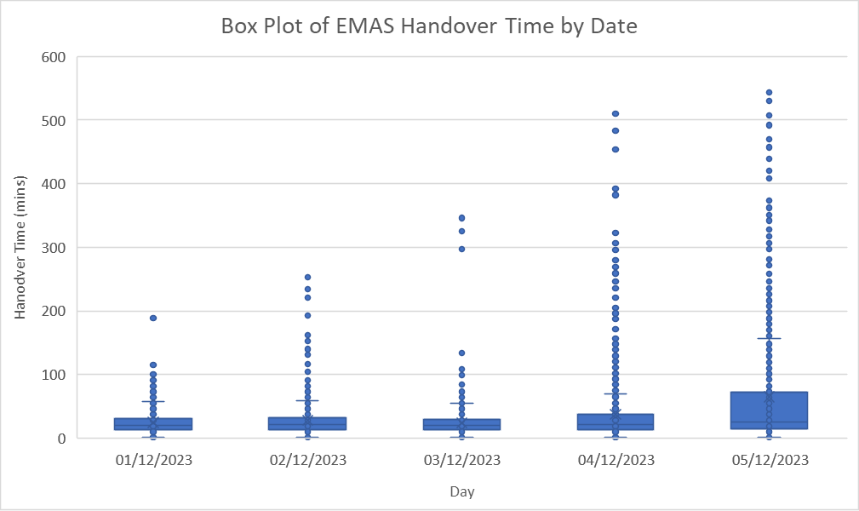

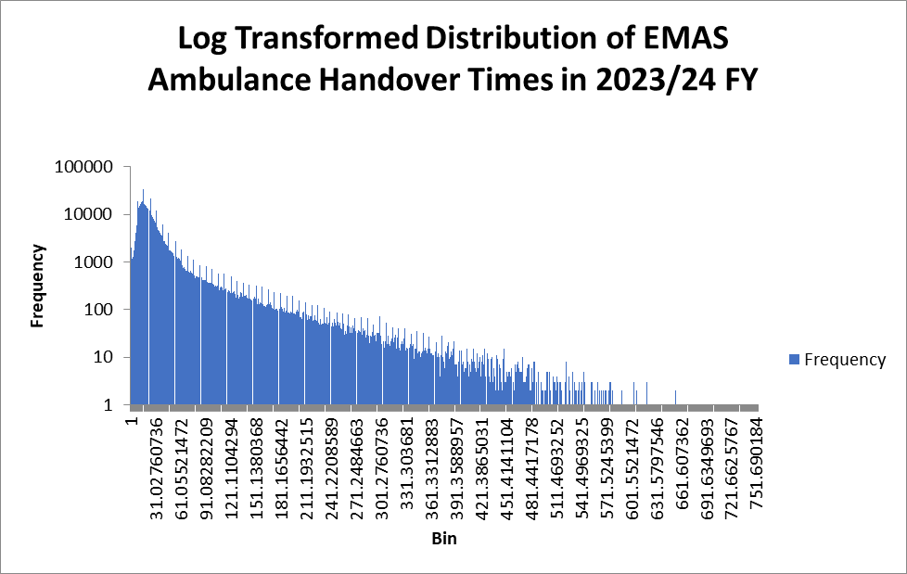
Bin | Frequency
1 | 1960
2.1549079755 | 1146
3.3098159509 | 1250
4.4647239264 | 1718
5.6196319018 | 2763
6.7745398773 | 4016
7.9294478528 | 5921
9.0843558282 | 19223
10.239263804 | 13524
11.394171779 | 15315
12.549079755 | 16680
13.70398773 | 18103
14.858895706 | 18592
16.013803681 | 33666
17.168711656 | 16232
18.323619632 | 15548
19.478527607 | 14871
20.633435583 | 14002
21.788343558 | 12933
22.943251534 | 12115
24.098159509 | 21128
25.253067485 | 9428
26.40797546 | 8661
27.562883436 | 8142
28.717791411 | 7304
29.872699387 | 6866
31.027607362 | 11985
32.182515337 | 5296
33.337423313 | 4694
34.492331288 | 4524
35.647239264 | 4044
36.802147239 | 3769
37.957055215 | 3576
39.11196319 | 6267
40.266871166 | 2787
41.421779141 | 2687
42.576687117 | 2376
43.731595092 | 2312
44.886503067 | 2204
46.041411043 | 4028
47.196319018 | 1789
48.351226994 | 1721
49.506134969 | 1662
50.661042945 | 1614
51.81595092 | 1518
52.970858896 | 1361
54.125766871 | 2706
55.280674847 | 1258
56.435582822 | 1192
57.590490798 | 1206
58.745398773 | 1188
59.900306748 | 1076
61.055214724 | 1839
62.210122699 | 848
63.365030675 | 755
64.51993865 | 788
65.674846626 | 727
66.829754601 | 664
67.984662577 | 662
69.139570552 | 1328
70.294478528 | 615
71.449386503 | 596
72.604294479 | 660
73.759202454 | 606
74.914110429 | 562
76.069018405 | 1098
77.22392638 | 528
78.378834356 | 457
79.533742331 | 505
80.688650307 | 506
81.843558282 | 482
82.998466258 | 481
84.153374233 | 837
85.308282209 | 472
86.463190184 | 409
87.61809816 | 414
88.773006135 | 408
89.92791411 | 416
91.082822086 | 827
92.237730061 | 382
93.392638037 | 370
94.547546012 | 369
95.702453988 | 359
96.857361963 | 366
98.012269939 | 713
99.167177914 | 342
100.32208589 | 331
101.47699387 | 311
102.63190184 | 324
103.78680982 | 304
104.94171779 | 312
106.09662577 | 574
107.25153374 | 259
108.40644172 | 287
109.56134969 | 310
110.71625767 | 289
111.87116564 | 256
113.02607362 | 582
114.1809816 | 268
115.33588957 | 273
116.49079755 | 235
117.64570552 | 249
118.8006135 | 248
119.95552147 | 224
121.11042945 | 508
122.26533742 | 221
123.4202454 | 232
124.57515337 | 245
125.73006135 | 210
126.88496933 | 174
128.0398773 | 391
129.19478528 | 205
130.34969325 | 172
131.50460123 | 186
132.6595092 | 228
133.81441718 | 221
134.96932515 | 184
136.12423313 | 372
137.2791411 | 195
138.43404908 | 192
139.58895706 | 204
140.74386503 | 180
141.89877301 | 168
143.05368098 | 333
144.20858896 | 173
145.36349693 | 163
146.51840491 | 157
147.67331288 | 169
148.82822086 | 183
149.98312883 | 172
151.13803681 | 314
152.29294479 | 127
153.44785276 | 170
154.60276074 | 131
155.75766871 | 140
156.91257669 | 136
158.06748466 | 309
159.22239264 | 127
160.37730061 | 118
161.53220859 | 121
162.68711656 | 111
163.84202454 | 126
164.99693252 | 129
166.15184049 | 265
167.30674847 | 128
168.46165644 | 143
169.61656442 | 126
170.77147239 | 110
171.92638037 | 105
173.08128834 | 233
174.23619632 | 101
175.39110429 | 105
176.54601227 | 103
177.70092025 | 96
178.85582822 | 105
180.0107362 | 224
181.16564417 | 111
182.32055215 | 106
183.47546012 | 91
184.6303681 | 110
185.78527607 | 86
186.94018405 | 94
188.09509202 | 191
189.25 | 87
190.40490798 | 88
191.55981595 | 81
192.71472393 | 91
193.8696319 | 88
195.02453988 | 191
196.17944785 | 84
197.33435583 | 82
198.4892638 | 80
199.64417178 | 89
200.79907975 | 100
201.95398773 | 92
203.10889571 | 155
204.26380368 | 69
205.41871166 | 69
206.57361963 | 64
207.72852761 | 88
208.88343558 | 91
210.03834356 | 140
211.19325153 | 79
212.34815951 | 61
213.50306748 | 76
214.65797546 | 63
215.81288344 | 74
216.96779141 | 74
218.12269939 | 125
219.27760736 | 59
220.43251534 | 60
221.58742331 | 75
222.74233129 | 60
223.89723926 | 57
225.05214724 | 123
226.20705521 | 52
227.36196319 | 49
228.51687117 | 63
229.67177914 | 48
230.82668712 | 50
231.98159509 | 50
233.13650307 | 110
234.29141104 | 54
235.44631902 | 51
236.60122699 | 69
237.75613497 | 49
238.91104294 | 54
240.06595092 | 89
241.2208589 | 44
242.37576687 | 53
243.53067485 | 44
244.68558282 | 62
245.8404908 | 53
246.99539877 | 47
248.15030675 | 87
249.30521472 | 56
250.4601227 | 46
251.61503067 | 53
252.76993865 | 41
253.92484663 | 38
255.0797546 | 84
256.23466258 | 51
257.38957055 | 29
258.54447853 | 36
259.6993865 | 31
260.85429448 | 46
262.00920245 | 80
263.16411043 | 45
264.3190184 | 32
265.47392638 | 42
266.62883436 | 32
267.78374233 | 47
268.93865031 | 41
270.09355828 | 65
271.24846626 | 36
272.40337423 | 32
273.55828221 | 37
274.71319018 | 35
275.86809816 | 34
277.02300613 | 69
278.17791411 | 30
279.33282209 | 40
280.48773006 | 36
281.64263804 | 37
282.79754601 | 26
283.95245399 | 29
285.10736196 | 65
286.26226994 | 28
287.41717791 | 20
288.57208589 | 28
289.72699387 | 27
290.88190184 | 34
292.03680982 | 48
293.19171779 | 28
294.34662577 | 30
295.50153374 | 22
296.65644172 | 33
297.81134969 | 33
298.96625767 | 33
300.12116564 | 71
301.27607362 | 28
302.4309816 | 19
303.58588957 | 22
304.74079755 | 16
305.89570552 | 22
307.0506135 | 54
308.20552147 | 19
309.36042945 | 28
310.51533742 | 19
311.6702454 | 17
312.82515337 | 22
313.98006135 | 25
315.13496933 | 42
316.2898773 | 21
317.44478528 | 26
318.59969325 | 30
319.75460123 | 15
320.9095092 | 26
322.06441718 | 40
323.21932515 | 16
324.37423313 | 14
325.5291411 | 19
326.68404908 | 22
327.83895706 | 19
328.99386503 | 25
330.14877301 | 41
331.30368098 | 14
332.45858896 | 16
333.61349693 | 15
334.76840491 | 16
335.92331288 | 19
337.07822086 | 31
338.23312883 | 17
339.38803681 | 19
340.54294479 | 9
341.69785276 | 15
342.85276074 | 15
344.00766871 | 36
345.16257669 | 12
346.31748466 | 13
347.47239264 | 13
348.62730061 | 10
349.78220859 | 12
350.93711656 | 13
352.09202454 | 33
353.24693252 | 14
354.40184049 | 16
355.55674847 | 14
356.71165644 | 12
357.86656442 | 15
359.02147239 | 27
360.17638037 | 15
361.33128834 | 12
362.48619632 | 12
363.64110429 | 11
364.79601227 | 11
365.95092025 | 13
367.10582822 | 21
368.2607362 | 10
369.41564417 | 12
370.57055215 | 10
371.72546012 | 4
372.8803681 | 11
374.03527607 | 28
375.19018405 | 10
376.34509202 | 8
377.5 | 6
378.65490798 | 13
379.80981595 | 12
380.96472393 | 17
382.1196319 | 21
383.27453988 | 9
384.42944785 | 10
385.58435583 | 13
386.7392638 | 11
387.89417178 | 15
389.04907975 | 22
390.20398773 | 7
391.35889571 | 7
392.51380368 | 7
393.66871166 | 4
394.82361963 | 8
395.97852761 | 14
397.13343558 | 14
398.28834356 | 7
399.44325153 | 8
400.59815951 | 5
401.75306748 | 6
402.90797546 | 6
404.06288344 | 15
405.21779141 | 8
406.37269939 | 4
407.52760736 | 7
408.68251534 | 5
409.83742331 | 9
410.99233129 | 8
412.14723926 | 15
413.30214724 | 8
414.45705521 | 6
415.61196319 | 5
416.76687117 | 12
417.92177914 | 6
419.07668712 | 8
420.23159509 | 10
421.38650307 | 4
422.54141104 | 8
423.69631902 | 11
424.85122699 | 7
426.00613497 | 15
427.16104294 | 4
428.31595092 | 12
429.4708589 | 9
430.62576687 | 4
431.78067485 | 3
432.93558282 | 9
434.0904908 | 10
435.24539877 | 3
436.40030675 | 6
437.55521472 | 4
438.7101227 | 2
439.86503067 | 11
441.01993865 | 9
442.17484663 | 2
443.3297546 | 7
444.48466258 | 6
445.63957055 | 3
446.79447853 | 2
447.9493865 | 9
449.10429448 | 15
450.25920245 | 3
451.41411043 | 3
452.5690184 | 5
453.72392638 | 4
454.87883436 | 5
456.03374233 | 5
457.18865031 | 4
458.34355828 | 6
459.49846626 | 3
460.65337423 | 2
461.80828221 | 7
462.96319018 | 5
464.11809816 | 7
465.27300613 | 8
466.42791411 | 6
467.58282209 | 5
468.73773006 | 5
469.89263804 | 5
471.04754601 | 10
472.20245399 | 3
473.35736196 | 3
474.51226994 | 3
475.66717791 | 4
476.82208589 | 6
477.97699387 | 7
479.13190184 | 7
480.28680982 | 2
481.44171779 | 2
482.59662577 | 6
483.75153374 | 3
484.90644172 | 8
486.06134969 | 8
487.21625767 | 1
488.37116564 | 3
489.52607362 | 5
490.6809816 | 1
491.83588957 | 1
492.99079755 | 3
494.14570552 | 2
495.3006135 | 2
496.45552147 | 1
497.61042945 | 2
498.76533742 | 2
499.9202454 | 5
501.07515337 | 5
502.23006135 | 1
503.38496933 | 5
504.5398773 | 2
505.69478528 | 0
506.84969325 | 0
508.00460123 | 4
509.1595092 | 3
510.31441718 | 3
511.46932515 | 2
512.62423313 | 4
513.7791411 | 3
514.93404908 | 1
516.08895706 | 3
517.24386503 | 3
518.39877301 | 2
519.55368098 | 0
520.70858896 | 1
521.86349693 | 3
523.01840491 | 8
524.17331288 | 1
525.32822086 | 0
526.48312883 | 4
527.63803681 | 2
528.79294479 | 0
529.94785276 | 1
531.10276074 | 5
532.25766871 | 0
533.41257669 | 3
534.56748466 | 2
535.72239264 | 2
536.87730061 | 0
538.03220859 | 2
539.18711656 | 3
540.34202454 | 1
541.49693252 | 2
542.65184049 | 3
543.80674847 | 1
544.96165644 | 5
546.11656442 | 3
547.27147239 | 1
548.42638037 | 1
549.58128834 | 1
550.73619632 | 1
551.89110429 | 1
553.04601227 | 3
554.20092025 | 3
555.35582822 | 1
556.5107362 | 1
557.66564417 | 2
558.82055215 | 1
559.97546012 | 0
561.1303681 | 3
562.28527607 | 1
563.44018405 | 2
564.59509202 | 0
565.75 | 2
566.90490798 | 0
568.05981595 | 2
569.21472393 | 1
570.3696319 | 2
571.52453988 | 2
572.67944785 | 1
573.83435583 | 1
574.9892638 | 2
576.14417178 | 3
577.29907975 | 3
578.45398773 | 0
579.60889571 | 2
580.76380368 | 0
581.91871166 | 1
583.07361963 | 0
584.22852761 | 0
585.38343558 | 1
586.53834356 | 1
587.69325153 | 0
588.84815951 | 0
590.00306748 | 2
591.15797546 | 0
592.31288344 | 0
593.46779141 | 1
594.62269939 | 1
595.77760736 | 1
596.93251534 | 0
598.08742331 | 0
599.24233129 | 0
600.39723926 | 0
601.55214724 | 0
602.70705521 | 0
603.86196319 | 0
605.01687117 | 3
606.17177914 | 0
607.32668712 | 1
608.48159509 | 2
609.63650307 | 1
610.79141104 | 0
611.94631902 | 1
613.10122699 | 0
614.25613497 | 1
615.41104294 | 1
616.56595092 | 1
617.7208589 | 0
618.87576687 | 0
620.03067485 | 3
621.18558282 | 1
622.3404908 | 1
623.49539877 | 1
624.65030675 | 0
625.80521472 | 0
626.9601227 | 0
628.11503067 | 1
629.26993865 | 0
630.42484663 | 0
631.5797546 | 0
632.73466258 | 1
633.88957055 | 0
635.04447853 | 0
636.1993865 | 0
637.35429448 | 0
638.50920245 | 0
639.66411043 | 0
640.8190184 | 0
641.97392638 | 0
643.12883436 | 0
644.28374233 | 0
645.43865031 | 1
646.59355828 | 0
647.74846626 | 0
648.90337423 | 0
650.05828221 | 1
651.21319018 | 0
652.36809816 | 0
653.52300613 | 1
654.67791411 | 2
655.83282209 | 0
656.98773006 | 0
658.14263804 | 0
659.29754601 | 0
660.45245399 | 0
661.60736196 | 0
662.76226994 | 0
663.91717791 | 0
665.07208589 | 0
666.22699387 | 0
667.38190184 | 1
668.53680982 | 0
669.69171779 | 0
670.84662577 | 0
672.00153374 | 0
673.15644172 | 0
674.31134969 | 0
675.46625767 | 0
676.62116564 | 0
677.77607362 | 1
678.9309816 | 0
680.08588957 | 0
681.24079755 | 0
682.39570552 | 0
683.5506135 | 0
684.70552147 | 0
685.86042945 | 0
687.01533742 | 1
688.1702454 | 0
689.32515337 | 0
690.48006135 | 0
691.63496933 | 0
692.7898773 | 0
693.94478528 | 0
695.09969325 | 1
696.25460123 | 0
697.4095092 | 0
698.56441718 | 0
699.71932515 | 0
700.87423313 | 0
702.0291411 | 0
703.18404908 | 0
704.33895706 | 0
705.49386503 | 0
706.64877301 | 0
707.80368098 | 0
708.95858896 | 0
710.11349693 | 0
711.26840491 | 0
712.42331288 | 0
713.57822086 | 0
714.73312883 | 0
715.88803681 | 0
717.04294479 | 0
718.19785276 | 0
719.35276074 | 0
720.50766871 | 0
721.66257669 | 0
722.81748466 | 0
723.97239264 | 0
725.12730061 | 0
726.28220859 | 0
727.43711656 | 0
728.59202454 | 0
729.74693252 | 0
730.90184049 | 0
732.05674847 | 0
733.21165644 | 0
734.36656442 | 0
735.52147239 | 0
736.67638037 | 0
737.83128834 | 0
738.98619632 | 0
740.14110429 | 0
741.29601227 | 0
742.45092025 | 0
743.60582822 | 0
744.7607362 | 0
745.91564417 | 0
747.07055215 | 1
748.22546012 | 0
749.3803681 | 0
750.53527607 | 0
751.69018405 | 0
752.84509202 | 0
More | 1

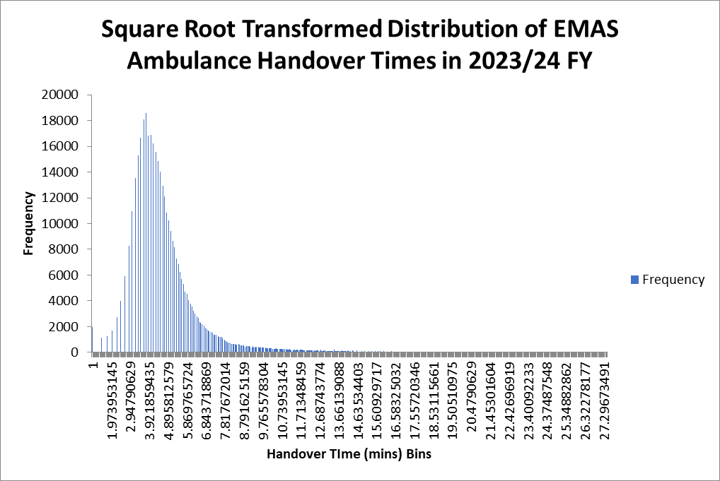
Bin | Frequency
1 | 1960
1.040581381 | 0
1.0811627621 | 0
1.1217441431 | 0
1.1623255241 | 0
1.2029069052 | 0
1.2434882862 | 0
1.2840696673 | 0
1.3246510483 | 0
1.3652324293 | 0
1.4058138104 | 0
1.4463951914 | 1146
1.4869765724 | 0
1.5275579535 | 0
1.5681393345 | 0
1.6087207155 | 0
1.6493020966 | 0
1.6898834776 | 0
1.7304648586 | 0
1.7710462397 | 1250
1.8116276207 | 0
1.8522090018 | 0
1.8927903828 | 0
1.9333717638 | 0
1.9739531449 | 0
2.0145345259 | 1718
2.0551159069 | 0
2.095697288 | 0
2.136278669 | 0
2.17686005 | 0
2.2174414311 | 0
2.2580228121 | 2763
2.2986041932 | 0
2.3391855742 | 0
2.3797669552 | 0
2.4203483363 | 0
2.4609297173 | 4016
2.5015110983 | 0
2.5420924794 | 0
2.5826738604 | 0
2.6232552414 | 0
2.6638366225 | 5921
2.7044180035 | 0
2.7449993845 | 0
2.7855807656 | 0
2.8261621466 | 0
2.8667435277 | 8279
2.9073249087 | 0
2.9479062897 | 0
2.9884876708 | 0
3.0290690518 | 10944
3.0696504328 | 0
3.1102318139 | 0
3.1508131949 | 0
3.1913945759 | 13524
3.231975957 | 0
3.272557338 | 0
3.3131387191 | 0
3.3537201001 | 15315
3.3943014811 | 0
3.4348828622 | 0
3.4754642432 | 16680
3.5160456242 | 0
3.5566270053 | 0
3.5972083863 | 0
3.6377897673 | 18103
3.6783711484 | 0
3.7189525294 | 0
3.7595339105 | 18592
3.8001152915 | 0
3.8406966725 | 0
3.8812780536 | 16809
3.9218594346 | 0
3.9624408156 | 0
4.0030221967 | 16857
4.0436035777 | 0
4.0841849587 | 0
4.1247663398 | 16232
4.1653477208 | 0
4.2059291018 | 0
4.2465104829 | 15548
4.2870918639 | 0
4.327673245 | 0
4.368254626 | 14871
4.408836007 | 0
4.4494173881 | 0
4.4899987691 | 14002
4.5305801501 | 0
4.5711615312 | 0
4.6117429122 | 12933
4.6523242932 | 0
4.6929056743 | 12115
4.7334870553 | 0
4.7740684364 | 0
4.8146498174 | 10869
4.8552311984 | 0
4.8958125795 | 0
4.9363939605 | 10259
4.9769753415 | 0
5.0175567226 | 9428
5.0581381036 | 0
5.0987194846 | 0
5.1393008657 | 8661
5.1798822467 | 0
5.2204636277 | 8142
5.2610450088 | 0
5.3016263898 | 7304
5.3422077709 | 0
5.3827891519 | 0
5.4233705329 | 6866
5.463951914 | 0
5.504533295 | 6272
5.545114676 | 0
5.5856960571 | 5713
5.6262774381 | 0
5.6668588191 | 5296
5.7074402002 | 0
5.7480215812 | 4694
5.7886029623 | 0
5.8291843433 | 0
5.8697657243 | 4524
5.9103471054 | 0
5.9509284864 | 4044
5.9915098674 | 0
6.0320912485 | 3769
6.0726726295 | 0
6.1132540105 | 3576
6.1538353916 | 0
6.1944167726 | 3239
6.2349981536 | 0
6.2755795347 | 3028
6.3161609157 | 0
6.3567422968 | 2787
6.3973236778 | 0
6.4379050588 | 2687
6.4784864399 | 0
6.5190678209 | 2376
6.5596492019 | 2312
6.600230583 | 0
6.640811964 | 2204
6.681393345 | 0
6.7219747261 | 2108
6.7625561071 | 0
6.8031374882 | 1920
6.8437188692 | 0
6.8843002502 | 1789
6.9248816313 | 0
6.9654630123 | 1721
7.0060443933 | 1662
7.0466257744 | 0
7.0872071554 | 1614
7.1277885364 | 0
7.1683699175 | 1518
7.2089512985 | 0
7.2495326795 | 1361
7.2901140606 | 1364
7.3306954416 | 0
7.3712768227 | 1342
7.4118582037 | 0
7.4524395847 | 1258
7.4930209658 | 1192
7.5336023468 | 0
7.5741837278 | 1206
7.6147651089 | 0
7.6553464899 | 1188
7.6959278709 | 1076
7.736509252 | 0
7.777090633 | 974
7.8176720141 | 865
7.8582533951 | 0
7.8988347761 | 848
7.9394161572 | 755
7.9799975382 | 0
8.0205789192 | 788
8.0611603003 | 0
8.1017416813 | 727
8.1423230623 | 664
8.1829044434 | 0
8.2234858244 | 662
8.2640672054 | 658
8.3046485865 | 0
8.3452299675 | 670
8.3858113486 | 615
8.4263927296 | 596
8.4669741106 | 0
8.5075554917 | 660
8.5481368727 | 606
8.5887182537 | 0
8.6292996348 | 562
8.6698810158 | 552
8.7104623968 | 0
8.7510437779 | 546
8.7916251589 | 528
8.83220654 | 457
8.872787921 | 0
8.913369302 | 505
8.9539506831 | 506
8.9945320641 | 0
9.0351134451 | 482
9.0756948262 | 481
9.1162762072 | 445
9.1568575882 | 0
9.1974389693 | 392
9.2380203503 | 472
9.2786017314 | 409
9.3191831124 | 0
9.3597644934 | 414
9.4003458745 | 408
9.4409272555 | 416
9.4815086365 | 0
9.5220900176 | 422
9.5626713986 | 405
9.6032527796 | 382
9.6438341607 | 370
9.6844155417 | 0
9.7249969227 | 369
9.7655783038 | 359
9.8061596848 | 366
9.8467410659 | 0
9.8873224469 | 366
9.9279038279 | 347
9.968485209 | 342
10.00906659 | 331
10.049647971 | 0
10.090229352 | 311
10.130810733 | 324
10.171392114 | 304
10.211973495 | 312
10.252554876 | 299
10.293136257 | 0
10.333717638 | 275
10.374299019 | 259
10.4148804 | 287
10.455461781 | 310
10.496043162 | 289
10.536624543 | 256
10.577205925 | 0
10.617787306 | 291
10.658368687 | 291
10.698950068 | 268
10.739531449 | 273
10.78011283 | 235
10.820694211 | 249
10.861275592 | 0
10.901856973 | 248
10.942438354 | 224
10.983019735 | 269
11.023601116 | 239
11.064182497 | 221
11.104763878 | 232
11.145345259 | 245
11.18592664 | 210
11.226508021 | 174
11.267089402 | 0
11.307670783 | 203
11.348252164 | 188
11.388833545 | 205
11.429414926 | 172
11.469996307 | 186
11.510577688 | 228
11.551159069 | 221
11.59174045 | 184
11.632321831 | 173
11.672903212 | 199
11.713484594 | 195
11.754065975 | 192
11.794647356 | 204
11.835228737 | 180
11.875810118 | 168
11.916391499 | 158
11.95697288 | 0
11.997554261 | 175
12.038135642 | 173
12.078717023 | 163
12.119298404 | 157
12.159879785 | 169
12.200461166 | 183
12.241042547 | 172
12.281623928 | 164
12.322205309 | 150
12.36278669 | 127
12.403368071 | 170
12.443949452 | 131
12.484530833 | 140
12.525112214 | 136
12.565693595 | 151
12.606274976 | 158
12.646856357 | 127
12.687437738 | 118
12.728019119 | 232
12.7686005 | 126
12.809181881 | 129
12.849763263 | 128
12.890344644 | 137
12.930926025 | 128
12.971507406 | 143
13.012088787 | 126
13.052670168 | 110
13.093251549 | 105
13.13383293 | 120
13.174414311 | 113
13.214995692 | 101
13.255577073 | 105
13.296158454 | 103
13.336739835 | 96
13.377321216 | 105
13.417902597 | 224
13.458483978 | 111
13.499065359 | 106
13.53964674 | 91
13.580228121 | 110
13.620809502 | 86
13.661390883 | 94
13.701972264 | 100
13.742553645 | 91
13.783135026 | 87
13.823716407 | 169
13.864297788 | 91
13.904879169 | 88
13.94546055 | 95
13.986041932 | 96
14.026623313 | 84
14.067204694 | 82
14.107786075 | 169
14.148367456 | 100
14.188948837 | 92
14.229530218 | 70
14.270111599 | 85
14.31069298 | 69
14.351274361 | 69
14.391855742 | 152
14.432437123 | 91
14.473018504 | 71
14.513599885 | 69
14.554181266 | 79
14.594762647 | 137
14.635344028 | 63
14.675925409 | 74
14.71650679 | 74
14.757088171 | 63
14.797669552 | 62
14.838250933 | 119
14.878832314 | 75
14.919413695 | 60
14.959995076 | 57
15.000576457 | 123
15.041157838 | 52
15.08173922 | 49
15.122320601 | 63
15.162901982 | 48
15.203483363 | 100
15.244064744 | 57
15.284646125 | 53
15.325227506 | 54
15.365808887 | 120
15.406390268 | 49
15.446971649 | 54
15.48755303 | 44
15.528134411 | 89
15.568715792 | 53
15.609297173 | 44
15.649878554 | 62
15.690459935 | 100
15.731041316 | 41
15.771622697 | 46
15.812204078 | 102
15.852785459 | 53
15.89336684 | 41
15.933948221 | 38
15.974529602 | 84
16.015110983 | 51
16.055692364 | 29
16.096273745 | 67
16.136855126 | 46
16.177436507 | 45
16.218017889 | 80
16.25859927 | 32
16.299180651 | 42
16.339762032 | 32
16.380343413 | 88
16.420924794 | 35
16.461506175 | 30
16.502087556 | 68
16.542668937 | 37
16.583250318 | 69
16.623831699 | 28
16.66441308 | 41
16.704994461 | 70
16.745575842 | 36
16.786157223 | 37
16.826738604 | 55
16.867319985 | 42
16.907901366 | 23
16.948482747 | 48
16.989064128 | 28
17.029645509 | 61
17.07022689 | 24
17.110808271 | 24
17.151389652 | 58
17.191971033 | 22
17.232552414 | 33
17.273133795 | 66
17.313715176 | 32
17.354296558 | 67
17.394877939 | 19
17.43545932 | 22
17.476040701 | 38
17.516622082 | 22
17.557203463 | 51
17.597784844 | 28
17.638366225 | 36
17.678947606 | 22
17.719528987 | 25
17.760110368 | 42
17.800691749 | 21
17.84127313 | 56
17.881854511 | 15
17.922435892 | 52
17.963017273 | 14
18.003598654 | 30
18.044180035 | 19
18.084761416 | 41
18.125342797 | 25
18.165924178 | 41
18.206505559 | 14
18.24708694 | 16
18.287668321 | 31
18.328249702 | 19
18.368831083 | 31
18.409412464 | 17
18.449993845 | 28
18.490575227 | 15
18.531156608 | 36
18.571737989 | 15
18.61231937 | 25
18.652900751 | 13
18.693482132 | 22
18.734063513 | 13
18.774644894 | 33
18.815226275 | 30
18.855807656 | 14
18.896389037 | 27
18.936970418 | 16
18.977551799 | 26
19.01813318 | 12
19.058714561 | 23
19.099295942 | 11
19.139877323 | 24
19.180458704 | 10
19.221040085 | 22
19.261621466 | 14
19.302202847 | 11
19.342784228 | 28
19.383365609 | 10
19.42394699 | 14
19.464528371 | 13
19.505109752 | 29
19.545691133 | 21
19.586272515 | 9
19.626853896 | 23
19.667435277 | 11
19.708016658 | 28
19.748598039 | 16
19.78917942 | 7
19.829760801 | 11
19.870342182 | 8
19.910923563 | 23
19.951504944 | 12
19.992086325 | 8
20.032667706 | 11
20.073249087 | 6
20.113830468 | 15
20.154411849 | 12
20.19499323 | 7
20.235574611 | 14
20.276155992 | 15
20.316737373 | 8
20.357318754 | 14
20.397900135 | 17
20.438481516 | 6
20.479062897 | 8
20.519644278 | 14
20.560225659 | 8
20.60080704 | 18
20.641388421 | 15
20.681969802 | 4
20.722551184 | 21
20.763132565 | 7
20.803713946 | 9
20.844295327 | 10
20.884876708 | 9
20.925458089 | 4
20.96603947 | 13
21.006620851 | 9
21.047202232 | 2
21.087783613 | 13
21.128364994 | 5
21.168946375 | 18
21.209527756 | 6
21.250109137 | 6
21.290690518 | 9
21.331271899 | 7
21.37185328 | 3
21.412434661 | 10
21.453016042 | 5
21.493597423 | 7
21.534178804 | 8
21.574760185 | 12
21.615341566 | 11
21.655922947 | 5
21.696504328 | 9
21.737085709 | 9
21.77766709 | 6
21.818248471 | 10
21.858829853 | 7
21.899411234 | 7
21.939992615 | 4
21.980573996 | 9
22.021155377 | 8
22.061736758 | 8
22.102318139 | 4
22.14289952 | 6
22.183480901 | 4
22.224062282 | 2
22.264643663 | 2
22.305225044 | 3
22.345806425 | 7
22.386387806 | 5
22.426969187 | 1
22.467550568 | 7
22.508131949 | 0
22.54871333 | 4
22.589294711 | 6
22.629876092 | 6
22.670457473 | 3
22.711038854 | 3
22.751620235 | 4
22.792201616 | 2
22.832782997 | 4
22.873364378 | 8
22.913945759 | 1
22.95452714 | 4
22.995108522 | 2
23.035689903 | 4
23.076271284 | 2
23.116852665 | 5
23.157434046 | 2
23.198015427 | 2
23.238596808 | 4
23.279178189 | 2
23.31975957 | 4
23.360340951 | 7
23.400922332 | 2
23.441503713 | 2
23.482085094 | 2
23.522666475 | 3
23.563247856 | 4
23.603829237 | 3
23.644410618 | 1
23.684991999 | 2
23.72557338 | 2
23.766154761 | 2
23.806736142 | 2
23.847317523 | 2
23.887898904 | 3
23.928480285 | 3
23.969061666 | 3
24.009643047 | 3
24.050224428 | 3
24.09080581 | 2
24.131387191 | 1
24.171968572 | 0
24.212549953 | 2
24.253131334 | 0
24.293712715 | 2
24.334294096 | 0
24.374875477 | 2
24.415456858 | 1
24.456038239 | 0
24.49661962 | 0
24.537201001 | 0
24.577782382 | 0
24.618363763 | 3
24.658945144 | 3
24.699526525 | 1
24.740107906 | 1
24.780689287 | 1
24.821270668 | 2
24.861852049 | 0
24.90243343 | 3
24.943014811 | 2
24.983596192 | 1
25.024177573 | 0
25.064758954 | 1
25.105340335 | 0
25.145921716 | 1
25.186503097 | 0
25.227084479 | 0
25.26766586 | 0
25.308247241 | 0
25.348828622 | 0
25.389410003 | 0
25.429991384 | 1
25.470572765 | 0
25.511154146 | 1
25.551735527 | 0
25.592316908 | 3
25.632898289 | 0
25.67347967 | 0
25.714061051 | 0
25.754642432 | 0
25.795223813 | 0
25.835805194 | 1
25.876386575 | 0
25.916967956 | 0
25.957549337 | 0
25.998130718 | 0
26.038712099 | 1
26.07929348 | 0
26.119874861 | 0
26.160456242 | 0
26.201037623 | 0
26.241619004 | 1
26.282200385 | 0
26.322781766 | 0
26.363363148 | 1
26.403944529 | 0
26.44452591 | 0
26.485107291 | 0
26.525688672 | 0
26.566270053 | 0
26.606851434 | 0
26.647432815 | 0
26.688014196 | 0
26.728595577 | 0
26.769176958 | 0
26.809758339 | 0
26.85033972 | 0
26.890921101 | 0
26.931502482 | 0
26.972083863 | 0
27.012665244 | 0
27.053246625 | 0
27.093828006 | 0
27.134409387 | 0
27.174990768 | 0
27.215572149 | 0
27.25615353 | 0
27.296734911 | 0
27.337316292 | 1
27.377897673 | 0
27.418479054 | 0
More | 1

